Table 1

Selected Acquisition Report (SAR)
RCS: DD-A&T(Q&A)823-479
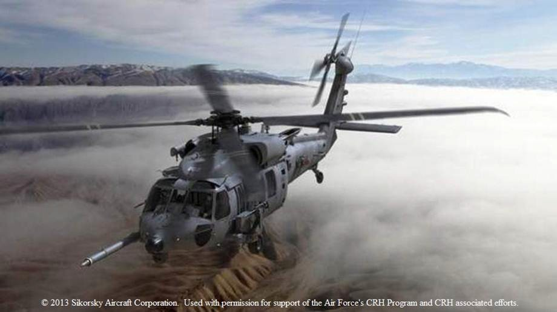
Combat Rescue Helicopter (CRH)
As of FY 2016 President's Budget
Defense Acquisition Management Information Retrieval
(DAMIR)

Table 9
Schedule
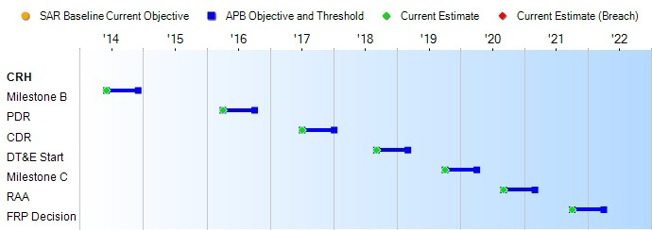
None
Schedule Events
Events | SAR Baseline Development Estimate | Current APB Development Objective/Threshold |  | Current Estimate
Milestone B | Jun 2014 | Jun 2014 | Dec 2014 | Jun 2014
PDR | Apr 2016 | Apr 2016 | Oct 2016 | Apr 2016
CDR | Jul 2017 | Jul 2017 | Jan 2018 | Jul 2017
DT&E Start | Sep 2018 | Sep 2018 | Mar 2019 | Sep 2018
Milestone C | Oct 2019 | Oct 2019 | Apr 2020 | Oct 2019
RAA | Sep 2020 | Sep 2020 | Mar 2021 | Sep 2020
FRP Decision | Oct 2021 | Oct 2021 | Apr 2022 | Oct 2021
Change Explanations
Notes
RAA is defined as delivery of eight production configuration aircraft (four mission & four training) with all required training devices, spares, support equipment, technical manuals, and sustainment support in place to support IOC .
Acronyms and Abbreviations
CDR - Critical Design Review
DT&E - Development Test & Evaluation PDR - Preliminary Design Review
RAA - Required Assets Available

Table 25
Unit Cost History
Item |  |  |  |  | Date |  |  | BY 2014 $M |  |  |  |  |  |  | TY $M
 |  |  |  |  |  |  |  | PAUC |  | APUC |  |  |  |  | PAUC |  |  | APUC

Original APB |  |  | Jun 2014 |  |  |  |  | 72.240 |  |  |  | 59.305 |  |  |  | 88.002 |  |  | 74.842
APB as of January 2006 |  |  | N/A |  |  |  |  | N/A |  |  |  | N/A |  |  |  | N/A |  |  | N/A
Revised Original APB |  |  | N/A |  |  |  |  | N/A |  |  |  | N/A |  |  |  | N/A |  |  | N/A
Prior APB |  |  | N/A |  |  |  |  | N/A |  |  |  | N/A |  |  |  | N/A |  |  | N/A
Current APB |  |  | Jun 2014 |  |  |  |  | 72.240 |  |  |  | 59.305 |  |  |  | 88.002 |  |  | 74.842
Prior Annual SAR |  |  | N/A |  |  |  |  | N/A |  |  |  | N/A |  |  |  | N/A |  |  | N/A
Current Estimate |  |  | Dec 2014 |  |  |  |  | 73.023 |  |  |  | 60.018 |  |  |  | 87.888 |  |  | 74.842
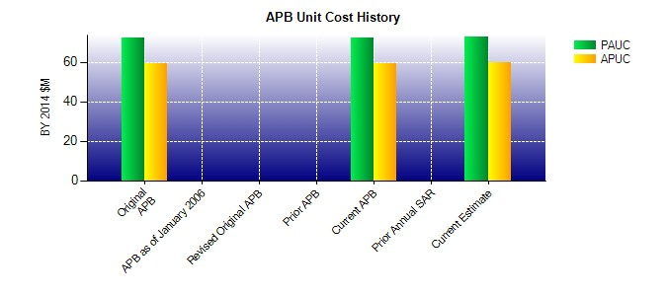
SAR Unit Cost History
Current SAR Baseline to Current Estimate (TY $M)
Initial PAUC Development Estimate | Changes |  |  |  |  |  |  |  |  |  |  |  |  |  |  |  | PAUC Current Estimate
 | Econ | Qty |  | Sch |  | Eng | Est |  | Oth | Spt |  |  | Total
88.002 -1.016 0.000 0.000 0.000 0.683 0.000 0.219 -0.114 87.888
Current SAR Baseline to Current Estimate (TY $M)
Initial APUC Development Estimate | Changes |  |  |  |  |  |  |  |  |  |  |  |  |  |  |  | APUC Current Estimate
 | Econ | Qty |  | Sch |  | Eng | Est |  | Oth |  | Spt |  |  | Total
74.842 -0.890 0.000 0.000 0.000 0.652 0.000 0.238 0.000 74.842

